11C_T-773(compound)
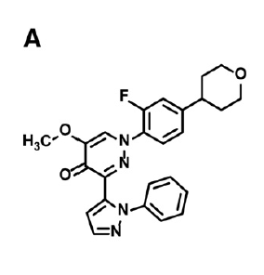
 |  | Property name | Property Value
 |  | PubChem CID
 |  | Molecular formula | C25H23FN4O3

 |  | BioAssay Results
 |  | Activity Value, nM | Activity Type | BioAssay Name | BioAssay AID | Substance SID | DOI
 |  | 12.2 | Kd | rat,caudate-putamen |  |  | 10.1016/j.nucmedbio.2014.09.005
 |  | 4.7 | Kd | rat,nucleus accumbens |  |  | 10.1016/j.nucmedbio.2014.09.005

DOI | 10.1016/j.nucmedbio.2014.09.005

